1. Title Page
[Project Name]

Project Name: Instacart Basket Analysis
Date: 05/11/23
Analyst Name: Zarqa Ayub

Contents:
Population Flow
Consistency checks
Wrangling steps
Column derivations
Visualizations
Recommendations

2. Population Flow
Title page

Population flow

Exclusion flag
Condition: max_order <
Obervations to be removed:
Final total count of order_products_all:

Orders_products_all
Orders_products_combined
Orders_products_merged

Total:32642461
Total:32640698
Total:3264261

1.) The grey boxes in the first row of the population flow represent the original data sets as they were when you downloaded them. In the Total fields you need to add the count of the rows when you imported the data set into Jupyter.
2.) The second row of boxes (coloured) represents the data sets after you manipulated them, e.g., removed missing values and duplicates. In the Total fields you need to add the count of the rows after conducting these operations. This offers a visual oveview of how the data flows throughout the data consistency checks.
3.) The third row, where also the arrows are coloured, represents the merges you performed between the datasets. In the Total fields you need to add the count of the rows in the merged datasets, so that you end up with the final dataset (in the red box). Keep in mind the final dataset should be without exclusions (based on the exclusion flag).

3. Consistency checks
 |  |  |  | Title page
Consistency checks

Dataset | Missing values | Missing values treatment | Duplicates
orders | n/a |  | none found
products | 16 | removed from the dataframe | 5 found and subsequently removed
orders_products_prior | n/a
customers | none |  | none

4. Wrangling steps
 |  |  |  | Title page
Wrangling steps

Columns dropped | Columns renamed | Columns' type changed | Comment/Reason
 | fam_status -> marital_status |  | fam_status ambiguous as it could mean children .etc.
eval_set |  |  | Data not necessary for further analysis.
 | Surnam -> last_name
 | orders_dow -> orders_day_of_week |  | to make it clear at glance what the column represents.
unnamed: 0 |  |  | irrelevant column.

5. Column derivations
 |  |  |  | Title page

Column derivations and aggregations

In this tab you should add tables below that the frequences of flags/label variables that you produced after deriving them. NB: don't do this for continuous variables, only for flags.
Dataset | New column | Column/s it was derived from | Conditions
orders_products_merged | Loyalty flag | user_id & order_number | max_order > 40 = loyal
 |  |  | max_order <= 40 AND > 10 = regular customer
 |  |  | max_order <= 10 = new customer

 | Spending flag | user_id & prices | mean price < 10 = low spender
 |  |  | mean price >= 10 = High Spender

 | Customer Frequency | user_id & days_since_prior_order | median_days > 20 = non-frequent customer
 |  |  | median days <= 20 AND > 10 = regular customer
 |  |  | median days <= 10 = frequent customer

 | Income variable | income | income < 100000 = low earner
 |  |  | income >/= 100000 AND < 200000 = average earner
 |  |  | income >/= 200000 = high earner

6. Visualizations
 |  |  |  |  |  |  |  |  |  |  |  | Title page

Visualisations

In this tab you should include all the visualtions from Exercises 4.9 and 4.10, alongside the questions from the project brief that they answer. Include any commentary on the relationship between different variables.

1. Busiest days of the week and hours of the day are (i.e., the days and times with the most orders) in order to schedule ads at times when there are fewer orders.

 |  |  |  | 0 | 1 | 2 | 3 | 4 | 5 | 6
 |  |  |  | Saturday | Sunday | Monday | Tuesday | Wednesday | Thursday | Friday
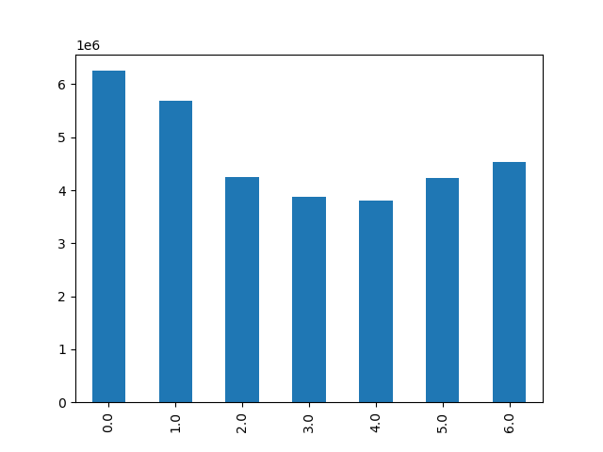


 |  |  |  |  |  |  |  |  | Busiest times of the day are
 |  |  |  |  |  |  |  |  | 0900 and 1600
 | According to this bar chart, the busiest days are; |  |  |  |  |  |  |  | Least busy times are:
 | Saturday & Sunday. |  |  |  |  |  |  |  | 0000 to 0800, and
 | Least busy days are: |  |  |  |  |  |  |  | 1700 to 2300
 | Tuesday & Wednesday

2. Times of the day when people spend the most money, as this might inform the type of products they advertise at these times.

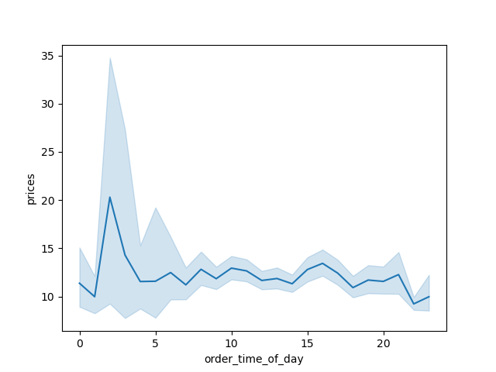

 |  |  |  |  |  |  |  |  |  | Times when people spend most money:
 |  |  |  |  |  |  |  |  |  | 0100 to 1500

3. Marketing and sales want to use simpler price range groupings to help direct their efforts.



 |  |  |  |  |  |  |  |  | This is showing the prices.
 |  |  |  |  |  |  |  |  | It is clear that the order frequency is low for higher priced items.

4. Are there certain types of products that are more popular than others? The marketing and sales teams want to know which departments have the highest frequency of product orders.

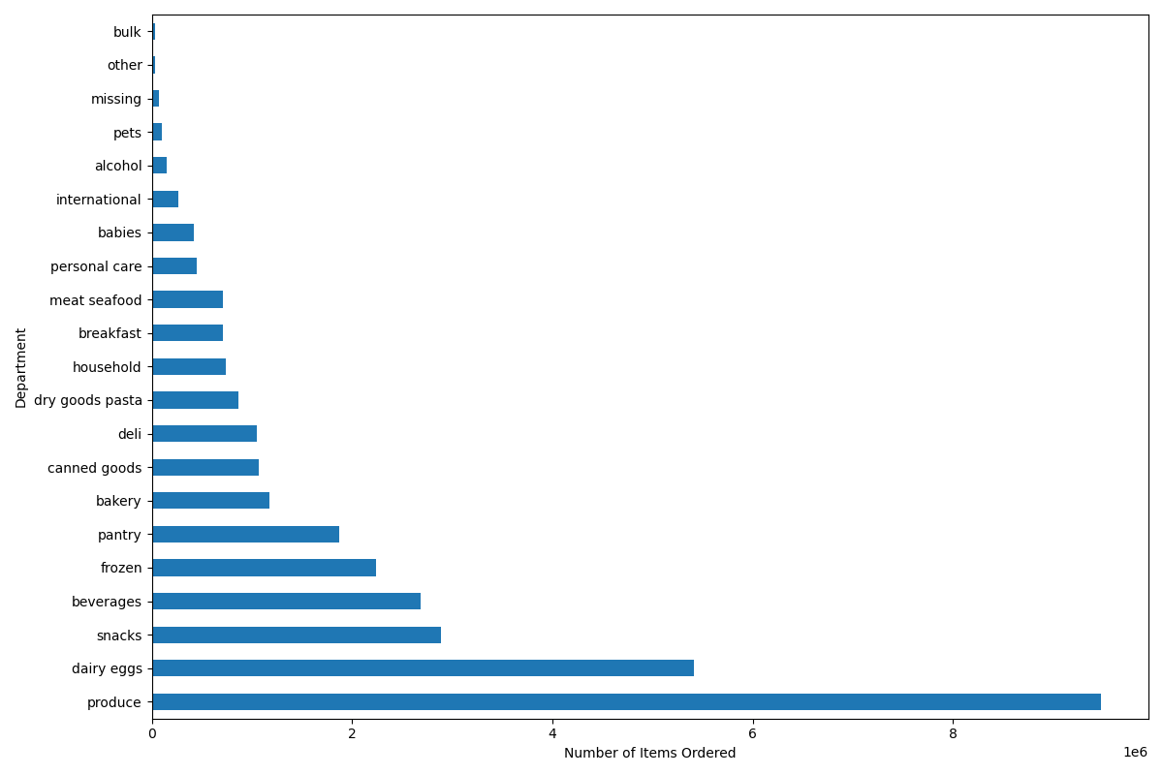

 |  |  |  |  |  |  |  |  |  | According to Bar, the best performing departments are:
 |  |  |  |  |  |  |  |  |  | Produce, eggs, snacks, beverages & pantry items.
 |  |  |  |  |  |  |  |  |  | The aformentioned have the highest frequency of product orders.

5 a) What’s the distribution among users in regards to their brand loyalty (i.e., how often do they return to Instacart)?

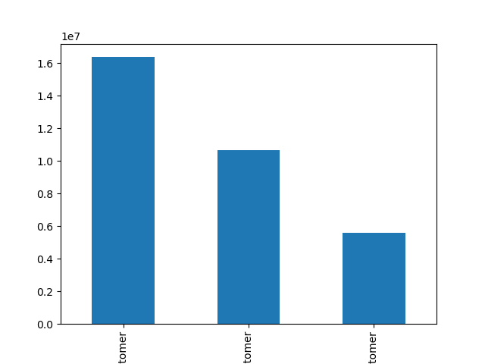

 |  |  |  |  |  |  |  |  |  |  | This bar chart is showing the loyalty of the cutomers based on
 |  |  |  |  |  |  |  |  |  |  | how regular their visits are to the site.
 |  |  |  |  |  |  |  |  |  |  | From this we can see that regular customers return more frequently compared to
 |  |  |  |  |  |  |  |  |  |  | loyal and new customers.

 |  |  | Regular customer |  | Loyal customer |  | new customer

b) Are there differences in ordering habits based on a customer’s loyalty status?

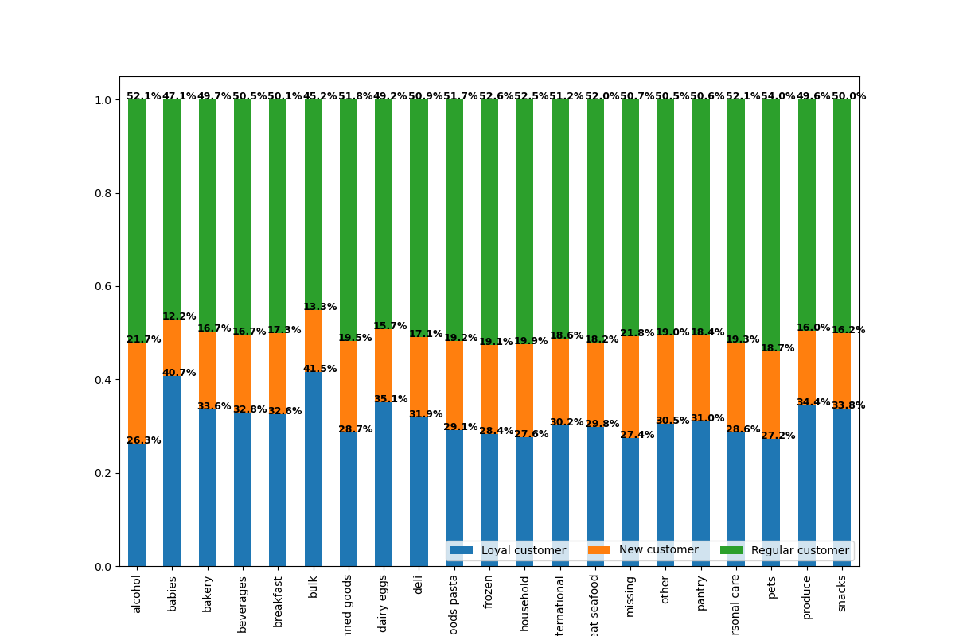

 |  |  |  |  |  |  |  |  |  | Regular customers ordered more products in each department
 |  |  |  |  |  |  |  |  |  | compared to Loyal and new customers.

c) Are there differences in ordering habits based on a customer’s region?

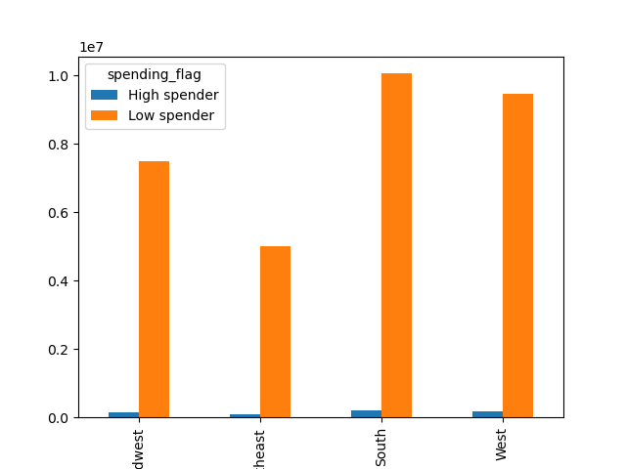

 |  |  |  |  |  |  |  |  | It indicates the relationship between
 |  |  |  |  |  |  |  |  | amount spent and the region.
 |  |  |  |  |  |  |  |  | Based on this graph we see that both groups
 |  |  |  |  |  |  |  |  | have a higher frequency of orders in the West and South.

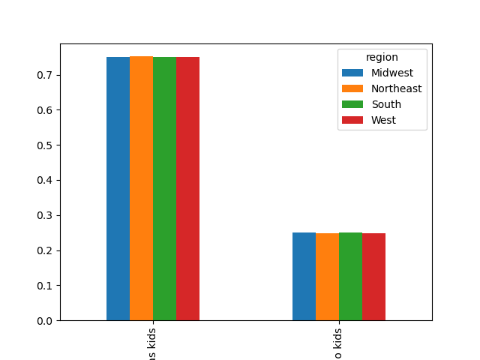
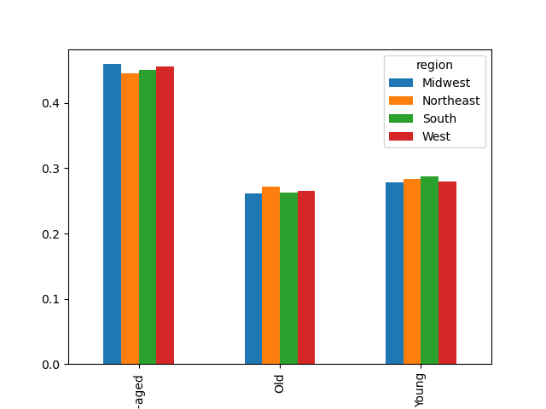
d) Is there a connection between age and family status in terms of ordering habits?
habits?

 |  |  |  |  |  |  |  |  | Those who are middle_aged have a higher
 |  |  | Based on this it is clear that across the |  |  |  |  |  | order frequency compared to the young adults
 |  |  | regions, those with kids make more |  |  |  |  |  | and old people.
 |  |  | frequent food orders.

e) What different classifications does the demographic information suggest? Age? Income? Certain types of goods? Family status?

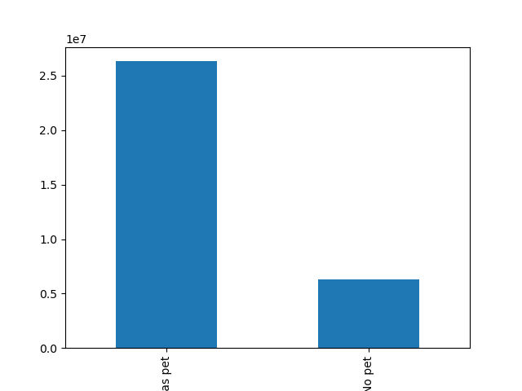
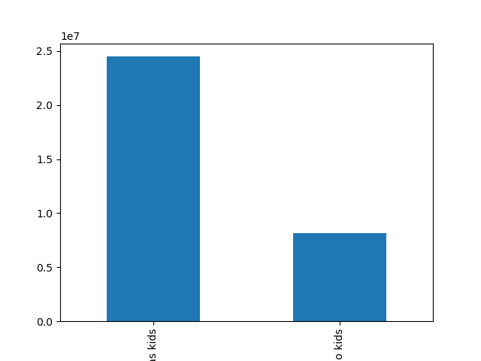

 |  |  | Roughly 75% of our customers have pets.
 |  |  |  |  |  |  |  |  | roughly 62% of our cutomers have kids.

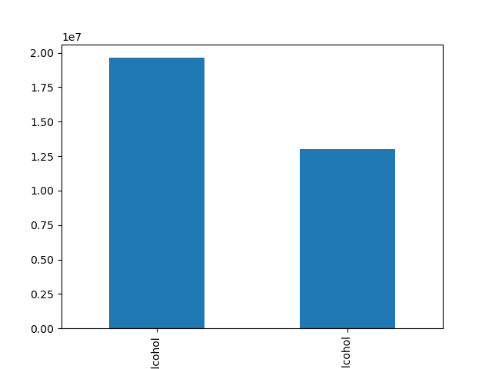
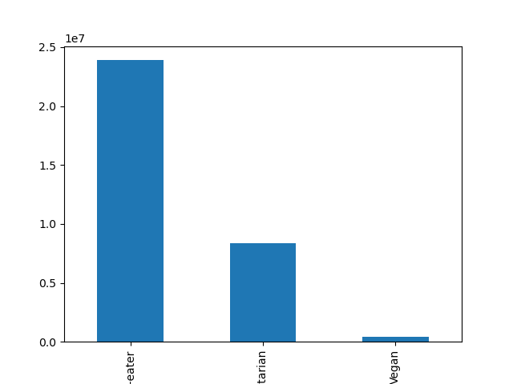

 |  |  |  | Alcohol |  |  | Non-alcohol

 |  |  |  |  |  |  |  |  |  | Roughly 70% of our customers are meat eaters
 |  |  |  |  |  |  |  |  |  | roughly 25% are vegeterian
 |  | over 55% of our customers drink alcohol. |  |  |  |  |  |  |  | roughly 5% are vegan

f) What differences can you find in ordering habits of different customer profiles? Consider the price of orders, the frequency of orders, the products customers are ordering, and anything else you can think of.

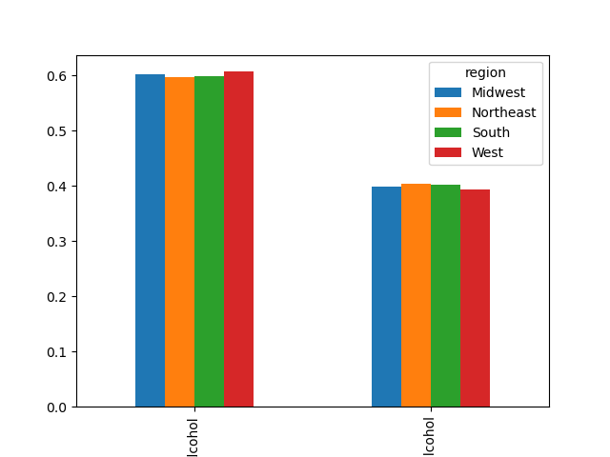

 |  |  |  |  |  |  |  |  | Alcohol |  | non-alcohol
 | Ordering habits based on Age and region.
 | We see that the regions behave similarly
 | for the same age groups. |  |  |  |  |  |  | Those who drink have a higher order
 | Middle-aged have a higher order frequency comparatively |  |  |  |  |  |  | frequency across the regions.

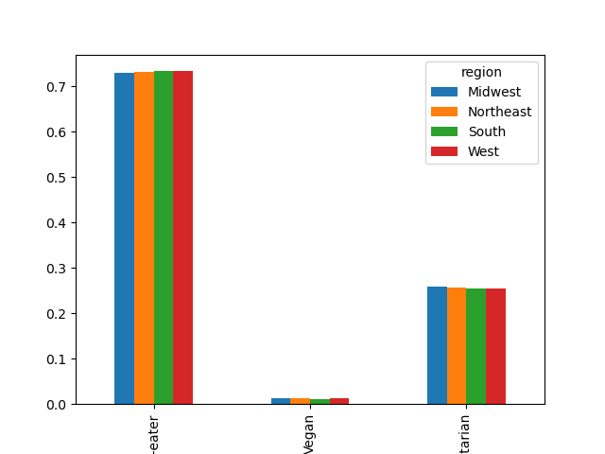

 |  |  | Meat eaters have a higher order
 |  |  | frequency across the regions |  |  |  |  |  | Those with kids have a higher order
 |  |  |  |  |  |  |  |  | frequency.

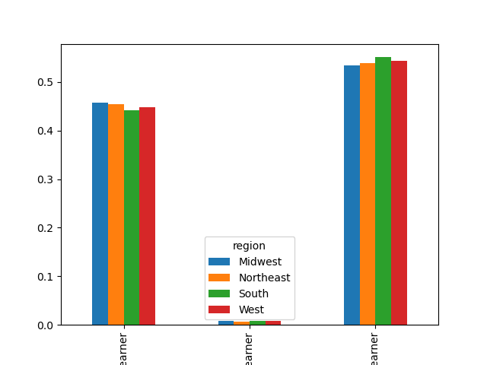
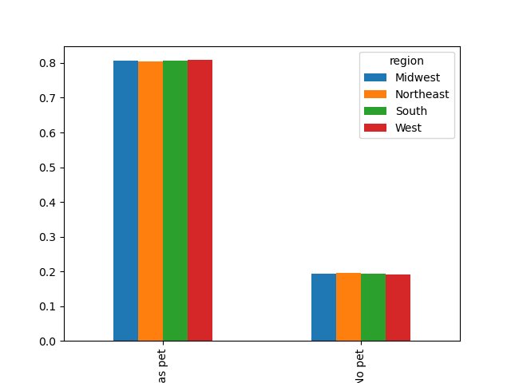

 |  |  | Low earners have a higher order frequency |  |  |  |  |  | Those with pets have a higher order
 |  |  | in comparison to high and average earners. |  |  |  |  |  | frequency compared to those without.

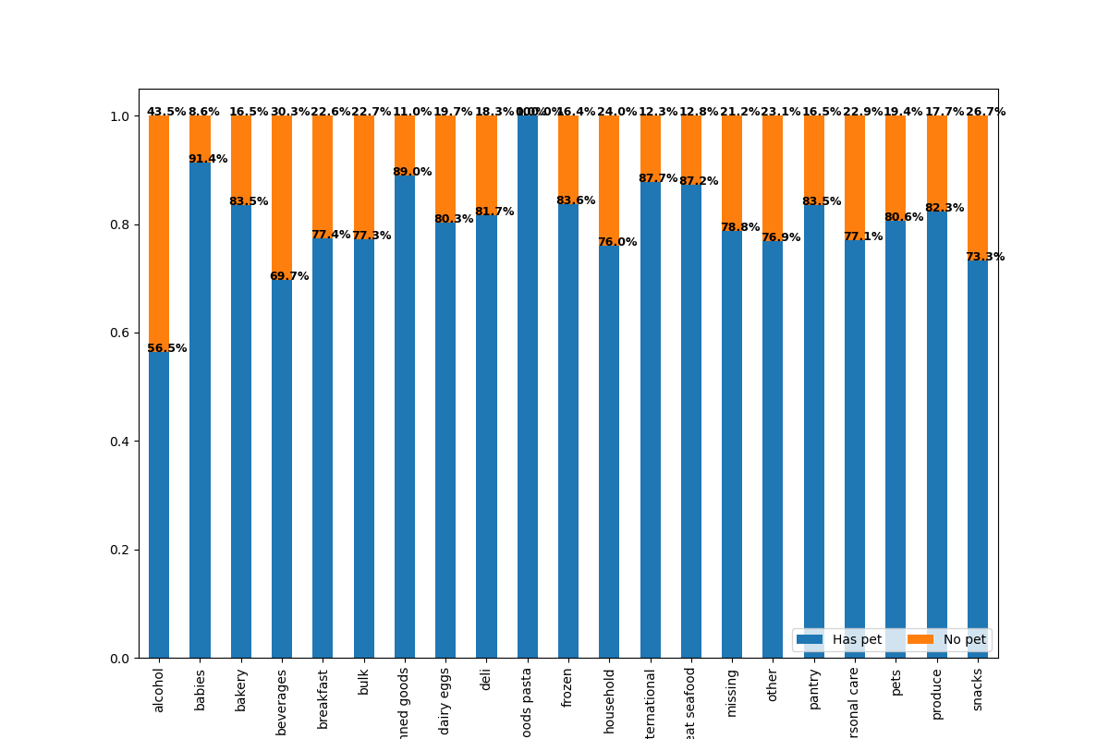
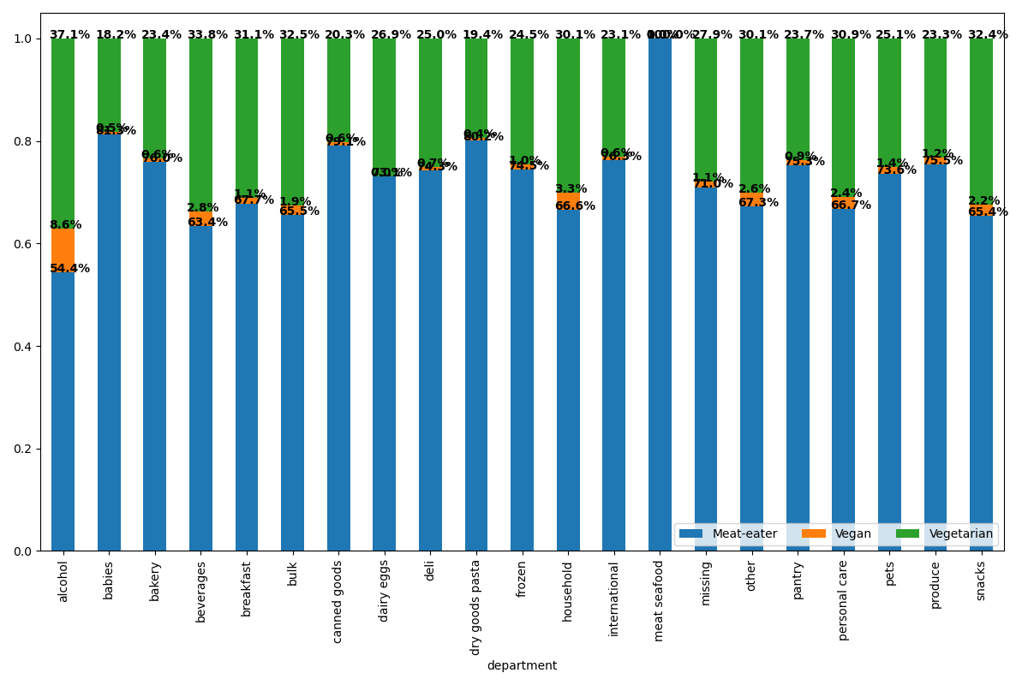

 |  |  | In each department, those with |  |  |  |  |  | meat-eaters have a higher order frequency
 |  |  | pets have a higher order |  |  |  |  |  | in each department.
 |  |  | frequency.

7. Recommendations
 |  |  | Title page

Recommendations

Question | Answer | Recommendation
1. The Instacart senior stakeholders want descriptive findings about sales per hour of the day. | The number of instacart orders peaks at 10am. | Increasing the # of ads during busy hours will increase revenue

 | Orders stay steady from 10am until 4pm.

 | Lunchtime is the busiest time of day for orders.
2. Insights for the marketing team about the distribution of orders among customers in terms of loyalty. | Regular customers have the majority of purchases with more than 50% of orders compared to new customers. | Target incentives to move new and loyal customers to the purchasing level of regular customers.
3. Reviewing whether there’s a difference in expenditure (the “prices” column) depending on the hour of the day. | There is no significant relation seen regarding the price of items purchased and the hour of which they are purchased. | Run ads and promotions through social media apps where the average hours are for purchases 5am-10am. Target & discount higher end price products to gain revenue.
4. Conducting exploratory analysis of customer demographics to inform the targeted marketing campaigns. Determining whether there’s a connection between age and family situation. | Married couples make up the majority of distribution for instacart customers. Those living with parents and siblings make up the smallest per distribution. | Run family style ads and coupons which would benefit married couples as well as the minority distribution living with parents and siblings.

 | The smallest proportion of customers, at 6%, are in the age groups 80-89 & 10-19. | Promote discounts for products specifically related to the young and elderly in the family.
5. Creating an appropriate visualization to show the distribution of profiles for Instacart customers by age groups and income. | The middle-income class has the largest number of orders compared to the upper- and lower-income groups. | Target ads and products for the middle class that are geared toward younger parents and couples between age 18-29. Focus on baby products.

 | The age groups with the most orders per distribution are 70+ and 18-29.
6. Are there certain products that are more popular than others to give insight to the sales team. | The produce department has the highest frequency of orders at 75%. Dairy eggs are in second and beverages third. | With the popularity of produce, dairy eggs and beverages recommend more advertisements for those items during high traffic times to increase customer traffic and revenue.
7. Review of customer profiles with regions and departments. Identifying behaviors and links that may exist across different regions. | The southern region is the highest income group by distribution while the northeast is the lowest. | Focus on the northeast for ads, promotions, and specials across all platforms to try to increase revenue in that region.

 | Families make up the largest distribution group by all departments, while young parents cover the smallest distribution. | Since young parents make up the smallest distribution of all products focus on specific discounts and items, they may exclusively purchase such as for the children.

 | Young parents make up the smallest distribution.

